Add Product Test Plan
Test Scenario ID | TS01 |  |  |  | Test Case ID | TC01
Test Case Description | Verify that the inventory has no products & Verify the total value. |  |  |  | Test Priority | High
Pre-Requisite/s | InventoryMgmt.exe must be running |  |  |  | Post-Requisite | There should be no products in the inventory.
Website URL | N/A |  |  |  | Environment | CMD, .NET 8, Visual Studio 2022
Test Execution Steps
Step No. | Action | Inputs | Expected Output | Actual Output | Test Browser | Test Result (PASS/FAIL) | Test Comments
1 | Select 5 to get the list of products | 5 | No products in here. | As expected | CMD | PASS
2 | Select 4 to get the total value of inventory | 4 | Total value of inventory: 0.00 | As expected | CMD | PASS

Test Scenario ID | TS02 |  |  |  | Test Case ID | TC02
Test Case Description | Verify add product with a valid name, quantity, and price. |  |  |  | Test Priority | High
Pre-Requisite/s | InventoryMgmt.exe must be running |  |  |  | Post-Requisite | Product added successfully to the inventory.
Website URL | N/A |  |  |  | Environment | CMD, .NET 8, Visual Studio 2022
Test Execution Steps
Step No. | Action | Inputs | Expected Output | Actual Output | Test Browser | Test Result (PASS/FAIL) | Test Comments
1 | Select 1 to add a product | 1 | Name: | As expected | CMD | PASS
2 | Enter name | Original Noodle | Quantity: | As expected | CMD | PASS
3 | Enter quantity | 34 | Price: | As expected | CMD | PASS
4 | Enter price | 16 | "Product added successfully" | As expected | CMD | PASS

Test Scenario ID | TS03 |  |  |  | Test Case ID | TS03
Test Case Description | Verify adding a product with a negative price is rejected. |  |  |  | Test Priority | High
Pre-Requisite/s | InventoryMgmt.exe must be running |  |  |  | Post-Requisite | Product will not be added
Website URL | N/A |  |  |  | Environment | CMD, .NET 8, Visual Studio 2022
Test Execution Steps
Step No. | Action | Inputs | Expected Output | Actual Output | Test Browser | Test Result (PASS/FAIL) | Test Comments
1 | Select 1 to add a product | 1 | Name: | As expected | CMD | PASS
2 | Enter name | Spicy Noodle | Quantity: | As expected | CMD | PASS
3 | Enter quantity | 22 | Price: | As expected | CMD | PASS
4 | Enter price | -25 | "- Price must be greater than or equal to 0" | As expected | CMD | PASS

Test Scenario ID | TS04 |  |  |  | Test Case ID | TC04
Test Case Description | Verify adding a product with a negative quantity is rejected. |  |  |  | Test Priority | High
Pre-Requisite/s | InventoryMgmt.exe must be running |  |  |  | Post-Requisite | Product will not be added
Website URL | N/A |  |  |  | Environment | CMD, .NET 8, Visual Studio 2022
Test Execution Steps
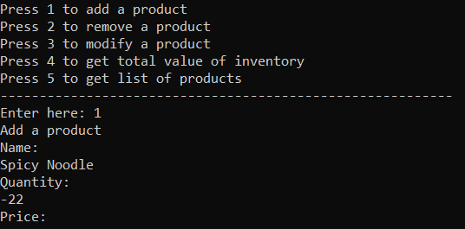
Step No. | Action | Inputs | Expected Output | Actual Output | Test Browser | Test Result (PASS/FAIL) | Test Comments
1 | Select 1 to add a product | 1 | Name: | As expected | CMD | PASS
2 | Enter product name | Spicy Noodle | Quantity: | As expected | CMD | PASS
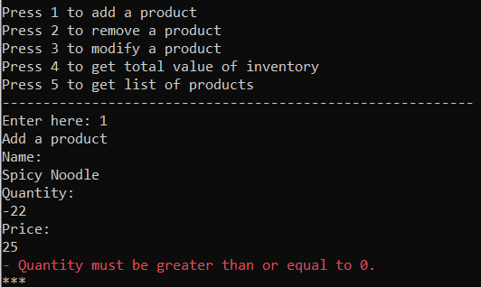
3 | Enter quantity | -22 | "- Quantity must be greater than or equal to 0" | Price: | CMD | FAIL | After the negative input, it should immideately return an error message "- Quantity must be greater than or equal to 0" instead of proceeding to price
4 | Enter price | 25 | There should be no Output here since it will not continue | "- Quantity must be greater than or equal to 0" | CMD | FAIL | There should be no Step No. 4 in this test case since the input quantity is negative

Test Scenario ID | TS05 |  |  |  | Test Case ID | TC05
Test Case Description | Verify that a product with zero price is added successfully. |  |  |  | Test Priority | High
Pre-Requisite/s | InventoryMgmt.exe must be running |  |  |  | Post-Requisite | Product will be added
Website URL | N/A |  |  |  | Environment | CMD, .NET 8, Visual Studio 2022
Test Execution Steps
Step No. | Action | Inputs | Expected Output | Actual Output | Test Browser | Test Result (PASS/FAIL) | Test Comments
1 | Select 1 to add a product | 1 | Name: | As expected | CMD | PASS
2 | Enter name | Spicy Noodle | Quantity: | As expected | CMD | PASS
3 | Enter quantity | 22 | Price: | As expected | CMD | PASS
4 | Enter price | 0 | "Product added successfully" | As expected | CMD | PASS | 0 is an acceptable price based on the business rules

Test Scenario ID | TS06 |  |  |  | Test Case ID | TC06
Test Case Description | Verify that a product with zero quantity is added successfully. |  |  |  | Test Priority | High
Pre-Requisite/s | InventoryMgmt.exe must be running |  |  |  | Post-Requisite | Product will be added
Website URL | N/A |  |  |  | Environment | CMD, .NET 8, Visual Studio 2022
Test Execution Steps
Step No. | Action | Inputs | Expected Output | Actual Output | Test Browser | Test Result (PASS/FAIL) | Test Comments
1 | Select 1 to add a product | 1 | Name: | As expected | CMD | PASS
2 | Enter name | Sweet Noodle | Quantity: | As expected | CMD | PASS | 0 is an acceptable quantity based on the business rules
3 | Enter quantity | 0 | Price: | As expected | CMD | PASS
4 | Enter price | 25 | "Product added successfully" | As expected | CMD | PASS

Test Scenario ID | TS07 |  |  |  | Test Case ID | TC07
Test Case Description | Verify that the system will not accept a product with non-numeric price. |  |  |  | Test Priority | High
Pre-Requisite/s | InventoryMgmt.exe must be running |  |  |  | Post-Requisite | Product will not be added
Website URL | N/A |  |  |  | Environment | CMD, .NET 8, Visual Studio 2022
Test Execution Steps
Step No. | Action | Inputs | Expected Output | Actual Output | Test Browser | Test Result (PASS/FAIL) | Test Comments
1 | Select 1 to add a product | 1 | Name: | As expected | CMD | PASS
2 | Enter name | Spicy Samyang | Quantity: | As expected | CMD | PASS
3 | Enter quantity | 24 | Price: | As expected | CMD | PASS
4 | Enter price | # | "Invalid input, please try again." | As expected | CMD | PASS

Test Scenario ID | TS08 |  |  |  | Test Case ID | TC08
Test Case Description | Verify that a Product cannot be entered with non-numeric quantity. |  |  |  | Test Priority | High
Pre-Requisite/s | InventoryMgmt.exe must be running |  |  |  | Post-Requisite | Product will not be added
Website URL | N/A |  |  |  | Environment | CMD, .NET 8, Visual Studio 2022
Test Execution Steps
Step No. | Action | Inputs | Expected Output | Actual Output | Test Browser | Test Result (PASS/FAIL) | Test Comments
1 | Select 1 to add a product | 1 | Name: | As expected | CMD | PASS
2 | Enter name | Spicy Samyang | Quantity: | As expected | CMD | PASS
3 | Enter quantity | # | "Invalid input, please try again." | As expected | CMD | PASS

Test Scenario ID | TS09 |  |  |  | Test Case ID | TC09
Test Case Description | Verify that a Product can be entered with duplicate name. |  |  |  | Test Priority | High
Pre-Requisite/s | InventoryMgmt.exe must be running |  |  |  | Post-Requisite | Product will be added
Website URL | N/A |  |  |  | Environment | CMD, .NET 8, Visual Studio 2022
Test Execution Steps
Step No. | Action | Inputs | Expected Output | Actual Output | Test Browser | Test Result (PASS/FAIL) | Test Comments
1 | Select 1 to add a product | 1 | Name: | As expected | CMD | PASS
2 | Enter name | Original Noodle | Quantity: | As expected | CMD | PASS
3 | Enter quantity | 34 | Price: | As expected | CMD | PASS
4 | Enter price | 16 | "Product added successfully" | As expected | CMD | PASS

Test Scenario ID | TS10 |  |  |  | Test Case ID | TC10
Test Case Description | Verify that a Product name can be added with numbers and special characters. |  |  |  | Test Priority | High
Pre-Requisite/s | InventoryMgmt.exe must be running |  |  |  | Post-Requisite | Product will be added
Website URL | N/A |  |  |  | Environment | CMD, .NET 8, Visual Studio 2022
Test Execution Steps
Step No. | Action | Inputs | Expected Output | Actual Output | Test Browser | Test Result (PASS/FAIL) | Test Comments
1 | Select 1 to add a product | 1 | Name: | As expected | CMD | PASS
2 | Enter name | Noodle@1 | Quantity: | As expected | CMD | PASS
3 | Enter quantity | 1 | Price: | As expected | CMD | PASS
4 | Enter price | 1000 | "Product added successfully" | As expected | CMD | PASS

Test Scenario ID | TS11 |  |  |  | Test Case ID | TC11
Test Case Description | Verify that a product can be added with decimal price. |  |  |  | Test Priority | High
Pre-Requisite/s | InventoryMgmt.exe must be running |  |  |  | Post-Requisite | Product will be added
Website URL | N/A |  |  |  | Environment | CMD, .NET 8, Visual Studio 2022
Test Execution Steps
Step No. | Action | Inputs | Expected Output | Actual Output | Test Browser | Test Result (PASS/FAIL) | Test Comments
1 | Select 1 to add a product | 1 | Name: | As expected | CMD | PASS
2 | Enter name | Sweet Noodle | Quantity: | As expected | CMD | PASS
3 | Enter quantity | 240 | Price: | As expected | CMD | PASS
4 | Enter price | 35.89 | "Product added successfully" | As expected | CMD | PASS

Test Scenario ID | TS12 |  |  |  | Test Case ID | TC12
Test Case Description | Verify that a product cannot be added with decimal quantity. |  |  |  | Test Priority | High
Pre-Requisite/s | InventoryMgmt.exe must be running |  |  |  | Post-Requisite | Product will not be added
Website URL | N/A |  |  |  | Environment | CMD, .NET 8, Visual Studio 2022
Test Execution Steps
Step No. | Action | Inputs | Expected Output | Actual Output | Test Browser | Test Result (PASS/FAIL) | Test Comments
1 | Select 1 to add a product | 1 | Name: | As expected | CMD | PASS
2 | Enter name | HuanLe Mineral Water | Quantity: | As expected | CMD | PASS
3 | Enter quantity | 99.99 | "Invalid input, please try again." | As expected | CMD | PASS | integers only for quantity

Test Scenario ID | TS13 |  |  |  | Test Case ID | TC13
Test Case Description | Verify that a product can be added with very high price. |  |  |  | Test Priority | High
Pre-Requisite/s | InventoryMgmt.exe must be running |  |  |  | Post-Requisite | Product will be added
Website URL | N/A |  |  |  | Environment | CMD, .NET 8, Visual Studio 2022
Test Execution Steps
Step No. | Action | Inputs | Expected Output | Actual Output | Test Browser | Test Result (PASS/FAIL) | Test Comments
1 | Select 1 to add a product | 1 | Name: | As expected | CMD | PASS
2 | Enter name | HuanLe Sports Car | Quantity: | As expected | CMD | PASS
3 | Enter quantity | 4 | Price | As expected | CMD | PASS
4 | Enter price | 10000000 | "Product added successfully" | As expected | CMD | PASS

Test Scenario ID | TS14 |  |  |  | Test Case ID | TC14
Test Case Description | Verify that a product can be added with very high quantity. |  |  |  | Test Priority | High
Pre-Requisite/s | InventoryMgmt.exe must be running |  |  |  | Post-Requisite | Product will be added
Website URL | N/A |  |  |  | Environment | CMD, .NET 8, Visual Studio 2022
Test Execution Steps
Step No. | Action | Inputs | Expected Output | Actual Output | Test Browser | Test Result (PASS/FAIL) | Test Comments
1 | Select 1 to add a product | 1 | Name: | As expected | CMD | PASS
2 | Enter name | HuanLe Mineral Water | Quantity: | As expected | CMD | PASS
3 | Enter quantity | 10000000 | Price | As expected | CMD | PASS
4 | Enter price | 15 | "Product added successfully" | As expected | CMD | PASS

Test Scenario ID | TS15 |  |  |  | Test Case ID | TC15
Test Case Description | Verify that a product has a quantity boundary. |  |  |  | Test Priority | High
Pre-Requisite/s | InventoryMgmt.exe must be running |  |  |  | Post-Requisite | Product will not be added
Website URL | N/A |  |  |  | Environment | CMD, .NET 8, Visual Studio 2022
Test Execution Steps
Step No. | Action | Inputs | Expected Output | Actual Output | Test Browser | Test Result (PASS/FAIL) | Test Comments
1 | Select 1 to add a product | 1 | Name: | As expected | CMD | PASS
2 | Enter name | Hotdog | Quantity: | As expected | CMD | PASS
3 | Enter quantity | 9999999999 | "Invalid input, please try again." | As expected | CMD | PASS

Test Scenario ID | TS16 |  |  |  | Test Case ID | TC16
Test Case Description | Verify that a product has a price boundary. |  |  |  | Test Priority | High
Pre-Requisite/s | InventoryMgmt.exe must be running |  |  |  | Post-Requisite | Product will not be added
Website URL | N/A |  |  |  | Environment | CMD, .NET 8, Visual Studio 2022
Test Execution Steps
Step No. | Action | Inputs | Expected Output | Actual Output | Test Browser | Test Result (PASS/FAIL) | Test Comments
1 | Select 1 to add a product | 1 | Name: | As expected | CMD | PASS
2 | Enter name | Hotdog | Quantity: | As expected | CMD | PASS
3 | Enter quantity | 1 | Price | As expected | CMD | PASS
4 | Enter price | 99999999999999999999999999999 | "Invalid input, please try again." | As expected | CMD | PASS

Test Scenario ID | TS17 |  |  |  | Test Case ID | TC17
Test Case Description | Verify the list of Products if correct and updating. |  |  |  | Test Priority | High
Pre-Requisite/s | InventoryMgmt.exe must be running |  |  |  | Post-Requisite | Product will not be added
Website URL | N/A |  |  |  | Environment | CMD, .NET 8, Visual Studio 2022
Test Execution Steps
Step No. | Action | Inputs | Expected Output | Actual Output | Test Browser | Test Result (PASS/FAIL) | Test Comments
1 | Select 5 to get the list of products | 5 | the list of products in a JSON Format | As expected | CMD | PASS

Test Scenario ID | TS18 |  |  |  | Test Case ID | TC18
Test Case Description | Verify the total Value of Products if correct and updating. |  |  |  | Test Priority | High
Pre-Requisite/s | InventoryMgmt.exe must be running |  |  |  | Post-Requisite | show the total value of inventory
Website URL | N/A |  |  |  | Environment | CMD, .NET 8, Visual Studio 2022
Test Execution Steps
Step No. | Action | Inputs | Expected Output | Actual Output | Test Browser | Test Result (PASS/FAIL) | Test Comments
1 | Select 4 to get the total value of inventory | 4 | Total value of inventory: 190,010,701.60 | As expected | CMD | PASS

Test Scenario ID | TS19 |  |  |  | Test Case ID | TC18
Test Case Description | Add product with empty name. |  |  |  | Test Priority | High
Pre-Requisite/s | InventoryMgmt.exe must be running |  |  |  | Post-Requisite | error message
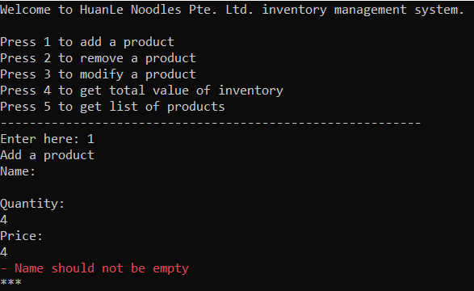
Website URL | N/A |  |  |  | Environment | CMD, .NET 8, Visual Studio 2022
Test Execution Steps
Step No. | Action | Inputs | Expected Output | Actual Output | Test Browser | Test Result (PASS/FAIL) | Test Comments
1 | Select 1 to add a product | 1 | Name: | As expected | CMD | PASS
2 | Enter name |  | "- Name should not be empty" | Quantity: | CMD | FAIL | similar problem on TS04, an error should immediately appear after entering a blank name.
3 | Enter quantity | 4 | - | Price: | CMD | FAIL
4 | Enter price | 4 | - | As expected | CMD | FAIL

Modify Product Test Plan
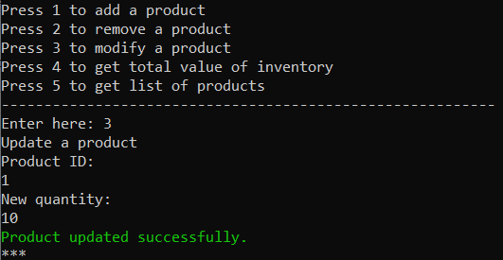
Test Scenario ID | TS01 |  |  |  | Test Case ID | TC01
Test Case Description | Modify Existing Product Quantity Valid Inputs. |  |  |  | Test Priority | High
Pre-Requisite/s | InventoryMgmt.exe must be running |  |  |  | Post-Requisite | The specific product ID will be modified.
Website URL | N/A |  |  |  | Environment | CMD, .NET 8, Visual Studio 2022
Test Execution Steps
Step No. | Action | Inputs | Expected Output | Actual Output | Test Browser | Test Result (PASS/FAIL) | Test Comments
1 | Select 3 to modify a Product | 3 | the list of products in a JSON Format | As expected | CMD | PASS
2 | Select a product ID you want to modify | 1 | New quantity: | As expected | CMD | PASS
3 | Enter the new quantity | 7 | "Product updated successfully." | As expected | CMD | Fail | It should not end here, it should have a new price option too since prices are always changing.

Test Scenario ID | TS02 |  |  |  | Test Case ID | TC02
Test Case Description | Modify non-existing product ID. |  |  |  | Test Priority | High
Pre-Requisite/s | InventoryMgmt.exe must be running |  |  |  | Post-Requisite | error notification will show.
Website URL | N/A |  |  |  | Environment | CMD, .NET 8, Visual Studio 2022
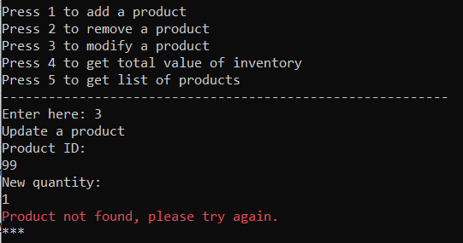
Test Execution Steps
Step No. | Action | Inputs | Expected Output | Actual Output | Test Browser | Test Result (PASS/FAIL) | Test Comments
1 | Select 3 to modify a Product | 3 | Product ID: | As expected | CMD | PASS
2 | Select a product ID you want to modify | 99 | New quantity: | "Product not found, please try again." | CMD | Fail | There should be an error notification right after entering the non-existing product ID.
3 | Enter the new quantity | 1 | "Product not found, please try again." | - | CMD | Fail | The enter new quantity should not proceed since step no. 2 is already has a wrong input.

Test Scenario ID | TS03 |  |  |  | Test Case ID | TC03
Test Case Description | Modify product by updating quantity with negative integer. |  |  |  | Test Priority | High
Pre-Requisite/s | InventoryMgmt.exe must be running |  |  |  | Post-Requisite | error notification will show.
Website URL | N/A |  |  |  | Environment | CMD, .NET 8, Visual Studio 2022
Test Execution Steps
Step No. | Action | Inputs | Expected Output | Actual Output | Test Browser | Test Result (PASS/FAIL) | Test Comments
1 | Select 3 to modify a Product | 3 | Product ID: | As expected | CMD | PASS
2 | Select a product ID (contains negative integer) | -1 | "Quantity should not be less than 0. Please try again." | As expected | CMD | PASS

Test Scenario ID | TS04 |  |  |  | Test Case ID | TC04
Test Case Description | Modify product by updating quantity with non-numeric input. |  |  |  | Test Priority | High
Pre-Requisite/s | InventoryMgmt.exe must be running |  |  |  | Post-Requisite | error notification will show.
Website URL | N/A |  |  |  | Environment | CMD, .NET 8, Visual Studio 2022
Test Execution Steps
Step No. | Action | Inputs | Expected Output | Actual Output | Test Browser | Test Result (PASS/FAIL) | Test Comments
1 | Select 3 to modify a Product | 3 | Product ID: | As expected | CMD | PASS
2 | Select a product ID (contains non-numeric input) | 1 | New quantity: | As expected | CMD | PASS
3 | Select a non-numeric quantity | @ | "Invalid input, please try again." | As expected | CMD | PASS

Test Scenario ID | TS05 |  |  |  | Test Case ID | TC05
Test Case Description | Verify if the list of products and total value of inventory is updated |  |  |  | Test Priority | High
Pre-Requisite/s | InventoryMgmt.exe must be running |  |  |  | Post-Requisite | Correct List of Products and Inventory Value
Website URL | N/A |  |  |  | Environment | CMD, .NET 8, Visual Studio 2022
Test Execution Steps
Step No. | Action | Inputs | Expected Output | Actual Output | Test Browser | Test Result (PASS/FAIL) | Test Comments
1 | Select 5 to get the list of products | 5 | list of products in JSON format | As expected | CMD | PASS
2 | Select 4 to get total value of inventory | 4 | Total value of inventory: 190,009,725.60 | As expected | CMD | PASS

